Answer History
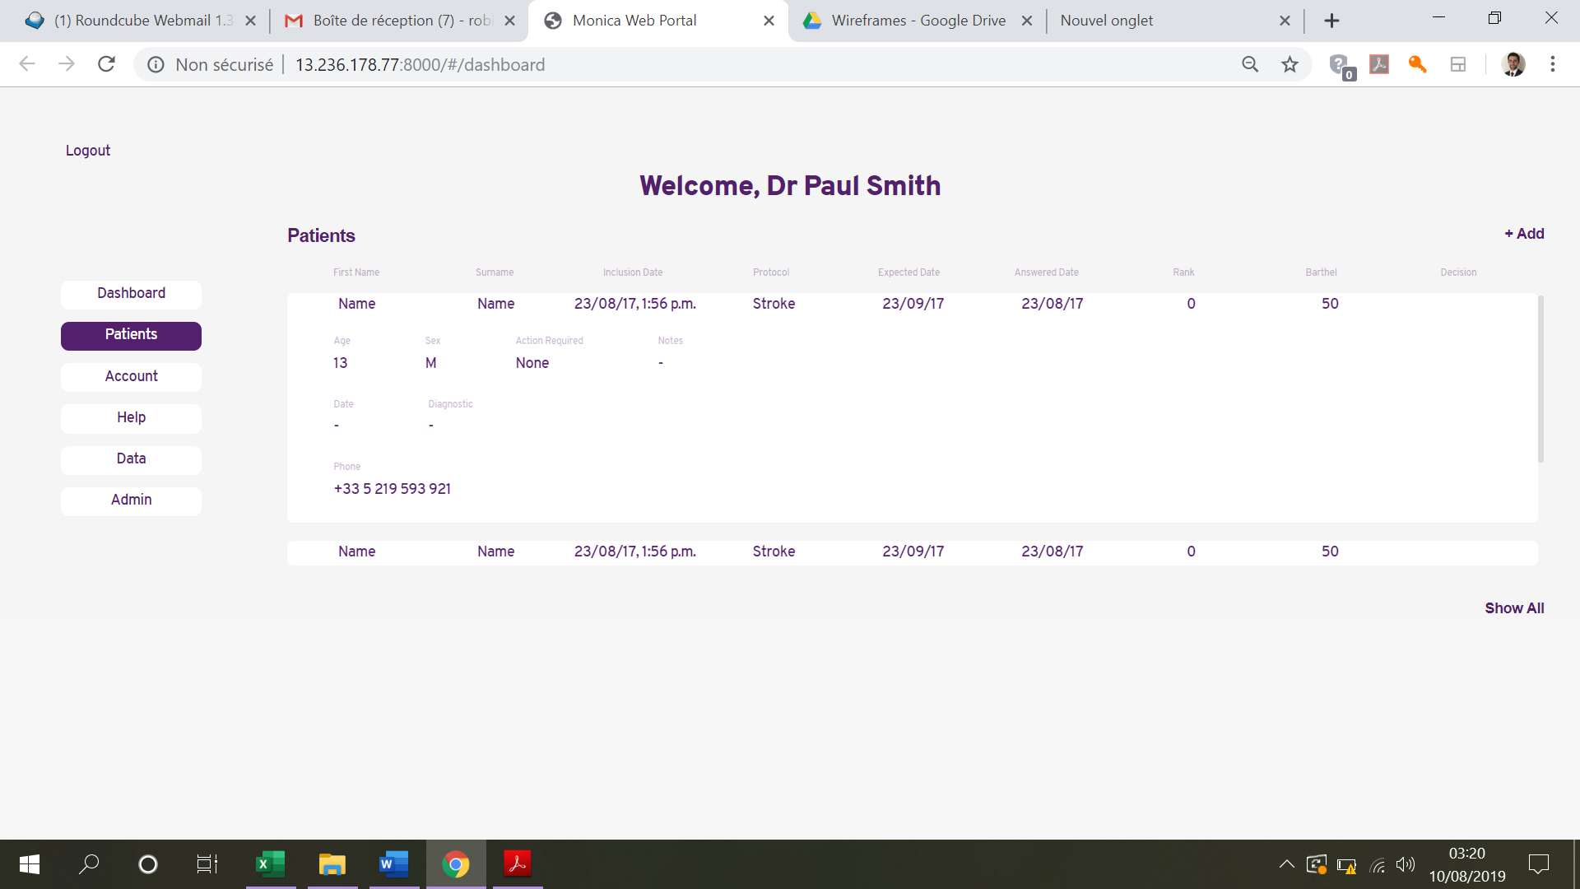
 | Q1 | Q2 | Q3 | Q4 | Q5 | Qx
Items | Date of Answer
1 | Color Code
2 | Color Code
3 | Color Code
4 | Color Code
5 | Color Code
6 | Color Code
Table
7 | Color Code
8 | Color Code
9 | Color Code
10 | Color Code
x | Color Code
Score | Total (Colour Code)

